KSA Data
KSA program only includes air conditioners
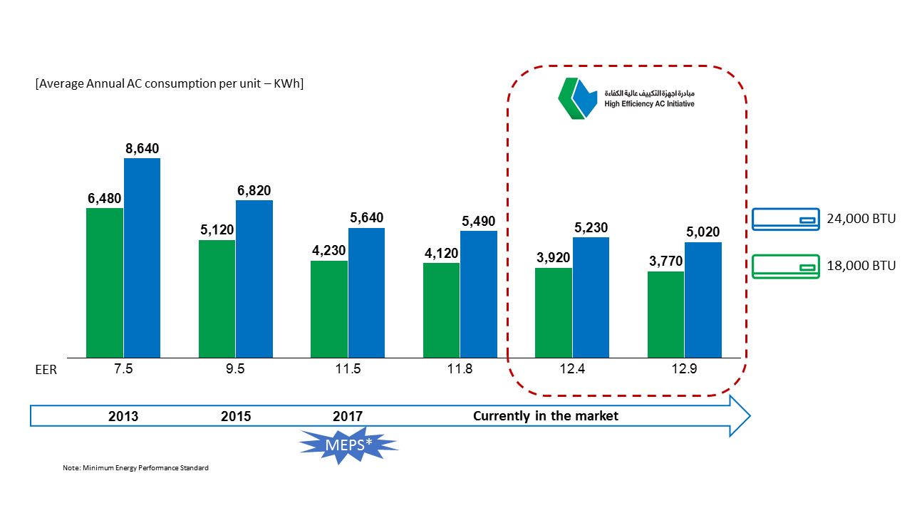

Green and blue colors indicate different cooling capacities for AC units
The pairs going across indicate increasing efficiency (EER) with time.

SEER indicates an energy savings of about 40%, which we get
closest to if we use the EER 9.5 (2015) bars:

 | green | blue
Energy use for inefficient AC | 5120 | 6820
Energy use for efficient AC | 3770 | 5020
Percent savings | 36% | 36%

